Chart 2
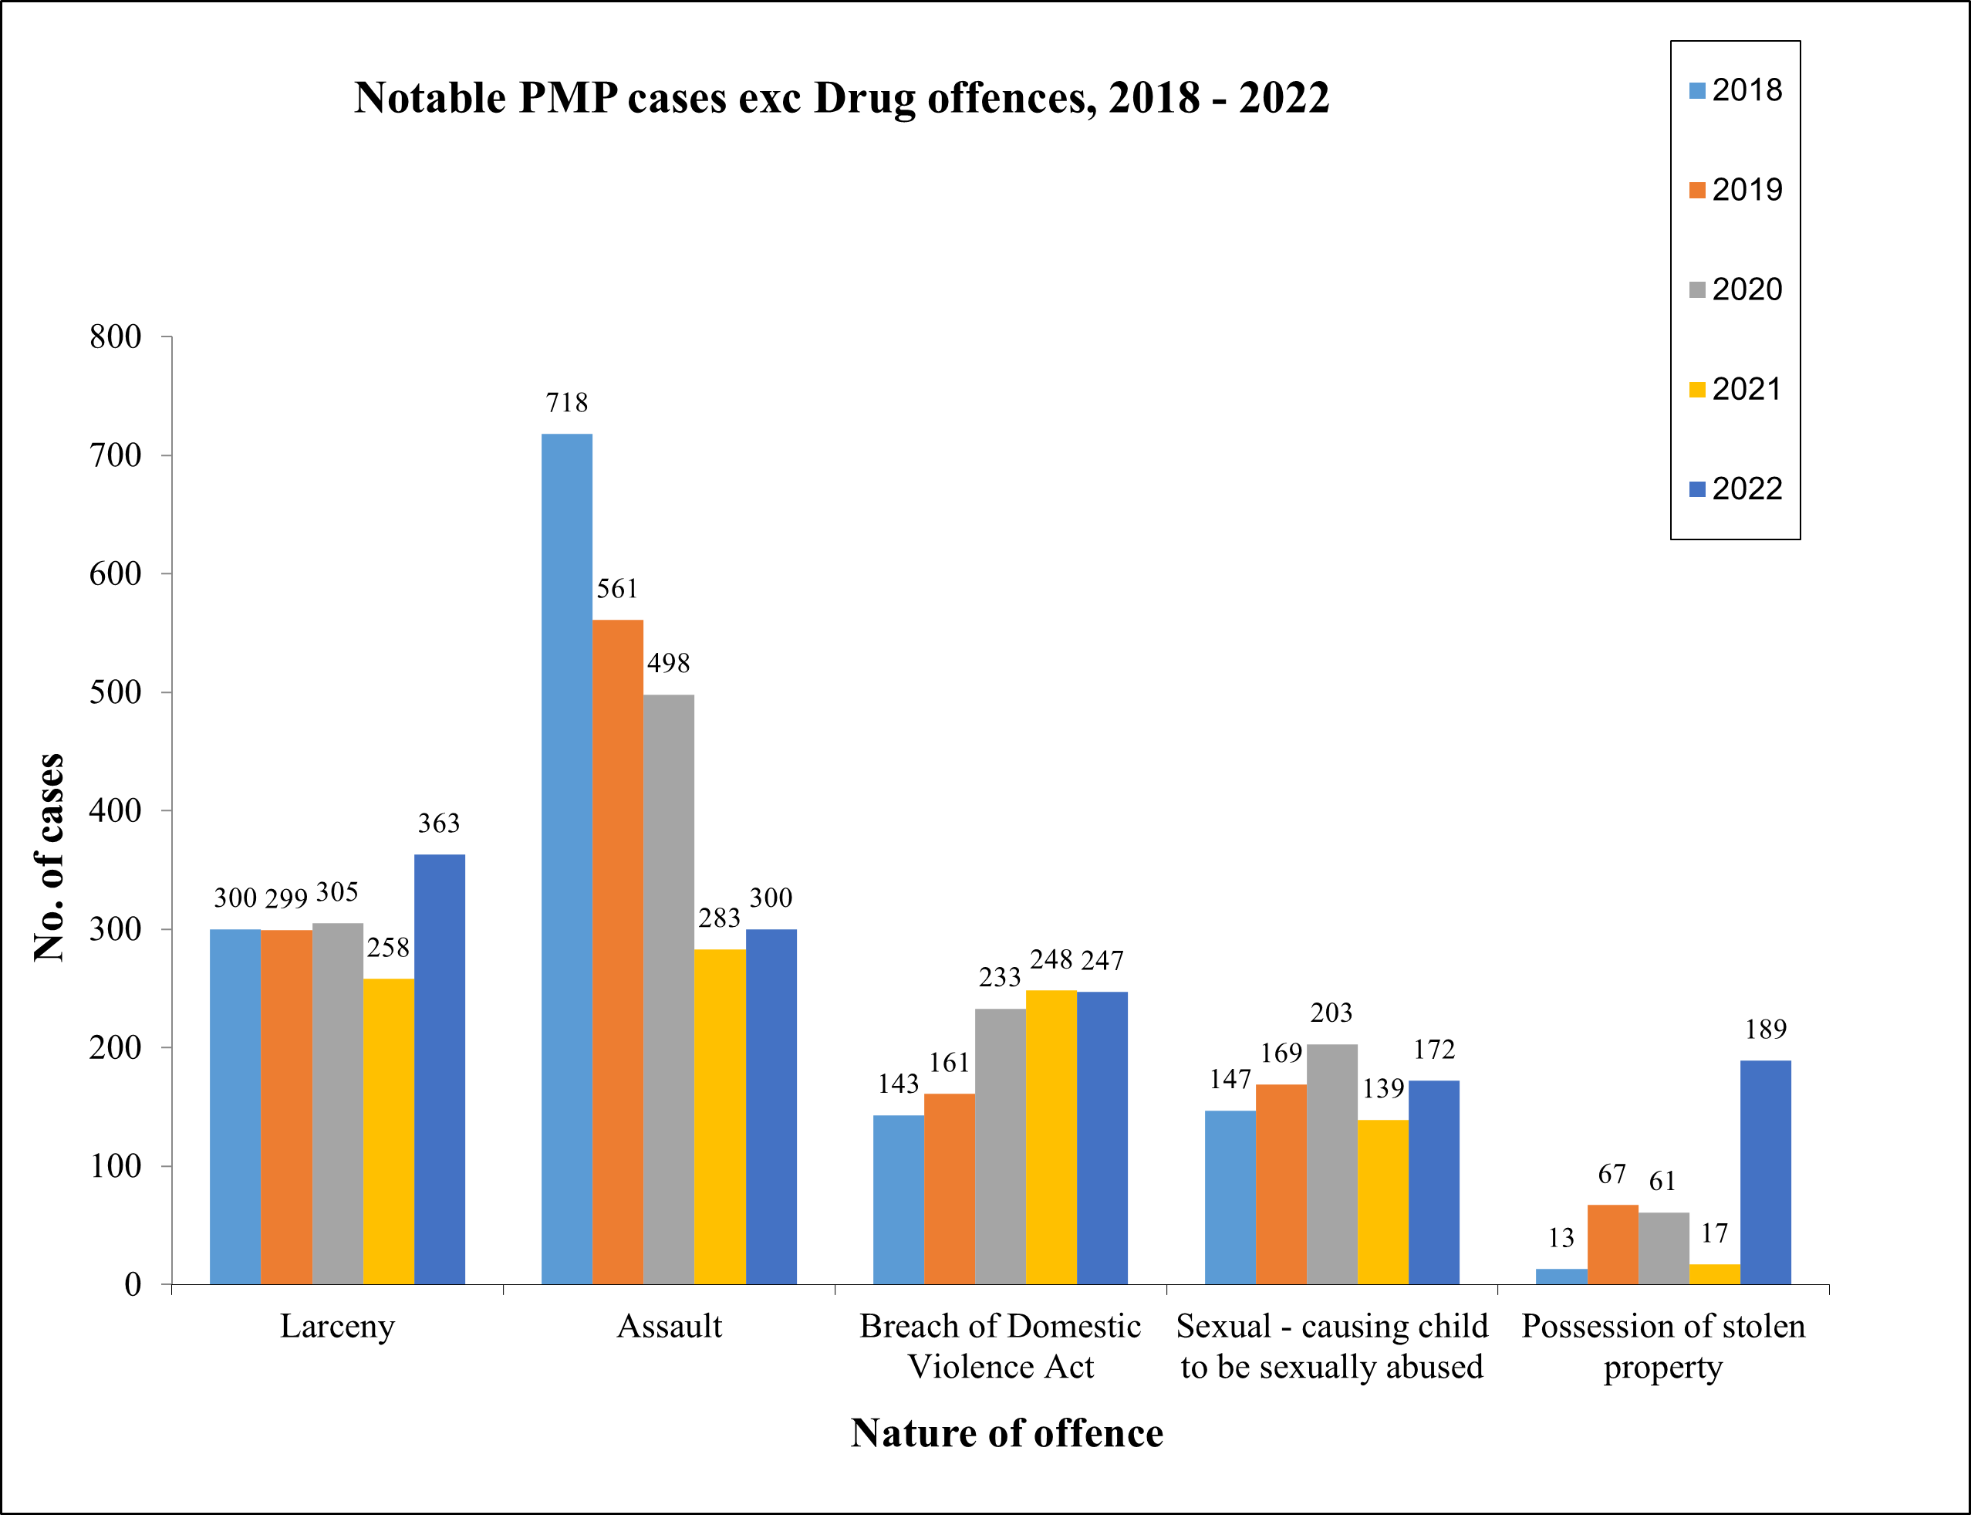
Back to Table of Contents

Chart 3
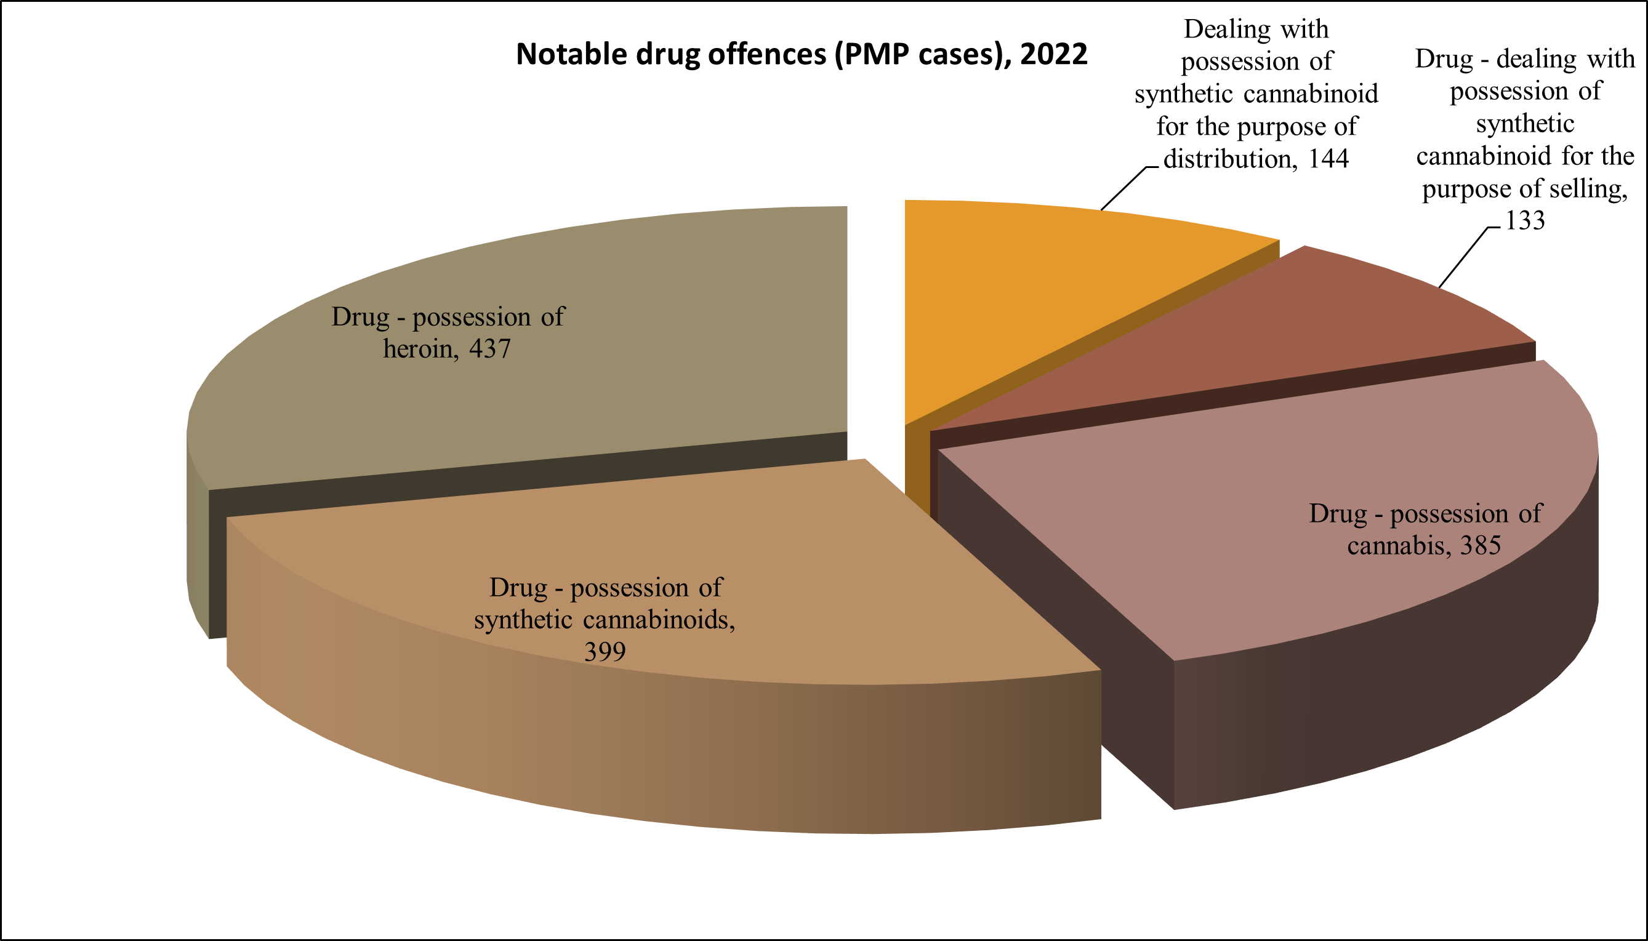
Back to Table of Contents

